Academic Earnings
Spring 2024 Academic-Year Employee EDD Earnings Calculator

Earnings begin at the start of the academic semester (not when instruction begins). 01/17/2024 is the first day of the academic semester.
Earnings conclude at the end of the academic semester (not when instruction/finals end 05/22/24 is the last day of the academic semester.

Instructions: Complete Boxes A, B, & C to calculate hourly, daily, weekly, or quarterly earnings.

A.
x
=
Step A | Gross Monthly Salary | x 6 months in semester | Semester Term Rate | Divided by | # Academic days in semester | Equals | Daily Rate
Enter actual "gross" monthly salary |  | 6 | $0.00 | / | 87 | = | $0.00

B.
Step B | # Units Teaching | Daily equivalent hours
Enter # of units for semester |  | 0

C.
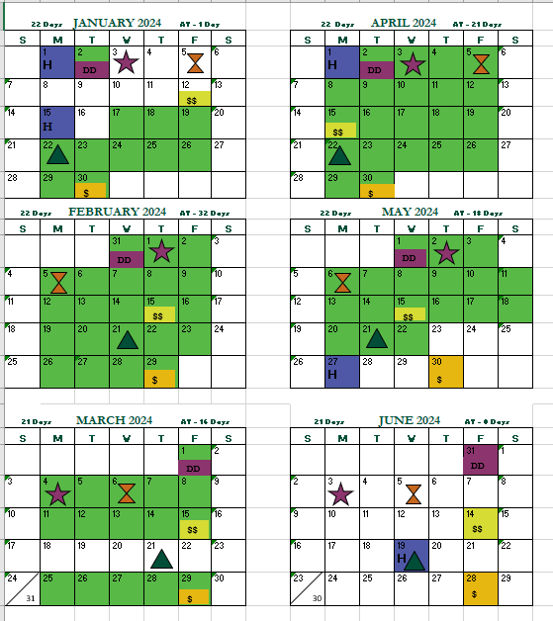
=
Step C | # of Academic Days | Multiplied by | Hourly Rate | Daily Rate | Weekly or Quarterly Earnings
Enter the total # of academic days for the specific time frame. (See calendar below for instructions) |  | X | #DIV/0! | $0.00 | $0.00

EX: To calculate quarterly earnings, total the # of
academic days (green shaded days) during the specific quarter. Enter the # of days in box C.
Example: Apr - Jun = 39 academic days so, enter 39 in box C
-----------------------------------------------------------------
EDD calculates earnings quarterly: Jan-March,
April-June, July-September & October-December.

OR

To calculate weekly earnings, total the # of academic days (green shaded days) for the specific week. Ex; May 19 - May 25 = 3 academic days, so enter 3 in box C

